Revenue by chatagory
Row Labels | Sum of Profit
Electronics | 107950
Furniture | 74790
Stationery | 38932
UNKNOWN | 11500
Grand Total | 233172

Delivery Status by Oder ID
Row Labels | Count of Order_ID
Delivered | 66
Pending | 1
Grand Total | 67

Region vs quantity
Row Labels | Sum of Units_Sold
East | 30
North | 34
South | 35
West | 34
Grand Total | 133

Dashboard
Sales Revenue Dashboard

Region vs sum of sum of quantity sold ( Category wise ) | Category vs sum of profit ( Region wise )

 | Total
Electronics | 107950
Furniture | 74790
Stationery | 38932
UNKNOWN | 11500
 | Total
East | 30
North | 34
South | 35
West | 34

Count of order ID vs order status

 | Total
Delivered | 66
Pending | 1

Home Page
Sales Revenue Tracker System | 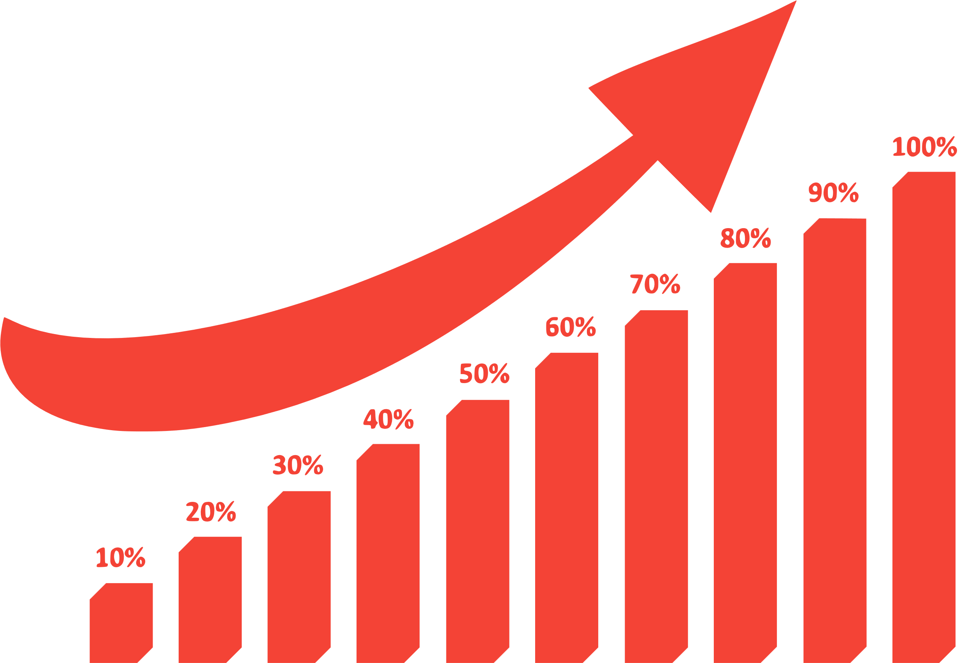

Welcome to our page

